Exemplo
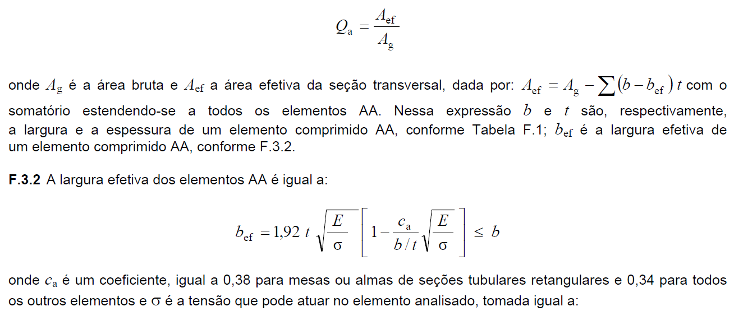
 | W250x17,9 |  | E= | 20000 | kN/cm2 | r0= | 10.156854828 | cm
Ag= | 23.1 | cm2 | G= | 7700 | kN/cm2 | Nex= | 3181.7945223 | kN
Ix= | 2291 | cm4 | fy= | 25 | kN/cm2 | Ney= | 126.38293388 | kN
rx= | 9.96 | cm | L= | 377 | cm | Nez= | 374.4945079 | kN
Iy= | 91 | cm4 | ga1= | 1.1 |  | Ne= | 126.38293388 | kN
ry= | 1.99 | cm | (b/t)a= | 45.833333333 |  | l0= | 2.1062478591
It= | 2.54 | cm4 | (b/t)lim= | 42.143564159 |  | c= | 0.19768815118
Cw= | 13735 | cm6 | bef= | 20.597507291 | cm | Nc,Rd= | 100 | kN
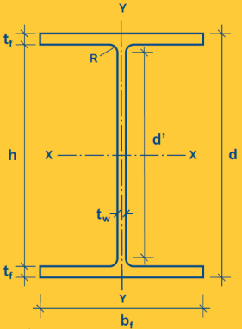
 |  |  | Aef= | 22.4268035 | cm2
d'= | 22 | cm | Qa= | 0.97085729435
tw= | 0.48 | cm | (b/t)s= | 9.5283018868
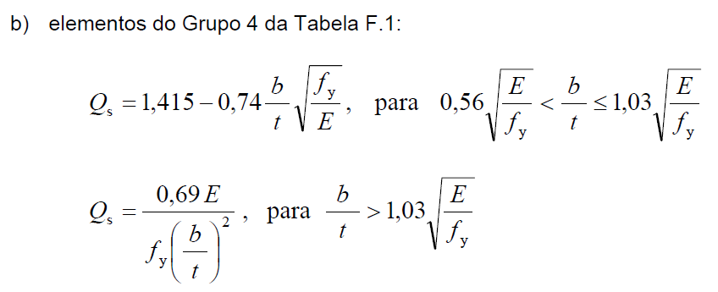
bf= | 10.1 | cm | (b/t)lim= | 15.839191899
tf= | 0.53 | cm | Qs= | 1
 |  |  | Q= | 0.97085729435

